18F-MNI-654(compound)
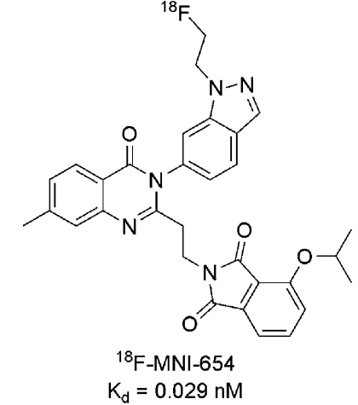
Structures |  |  |  |  |  | 2-(2-(3-(1-(2-(fluoro-18F)ethyl)-1H-indazol-6-yl)-7-methyl-4-oxo-3,4-dihydroquinazolin-2-yl)ethyl)-4-isopropoxyisoindoline-1,3-dione
Property name | Property Value |  |  |  |  | Chemical Formula: C31H2818FN5O4
trivial name | [18F]MNI-654 |  |  |  |  | Exact Mass: 552.22
DOI | 10.2967/jnumed.113.122895 |  |  |  |  | Molecular Weight: 552.60
Molecular formula | C31H2818FN5O4 |  |  |  |  | m/z: 552.22 (100.0%), 553.22 (34.0%), 554.22 (7.0%), 553.21 (1.8%)
 |  |  |  |  |  | Elemental Analysis: C, 67.38; H, 5.11; F, 3.26; N, 12.67; O, 11.58
Chemical and Physical Properties | Calculated by ChemDraw(ver22.2.0) |  |  |  |  | Log P: 4.32
Property name | Property Value |  |  |  |  | MR: 152.99 [cm3/mol]
Molecular weight | 552.6 |  |  |  |  | Henry's Law: 3.25
XlogP3 | 4.1 |  |  |  |  | tPSA: 94.88
Hydrogen Bond Donar Count | 0 |  |  |  |  | CLogP: 5.4678
Hydrogen Bond Acceptor Count | 4 |  |  |  |  | CMR: 15.1656
Rotatable Bond Count | 8 |  |  |  |  | LogS: -7.691
Exact Mass | 552.22 |  |  |  |  | pKa: N/A
Monoisotopic Mass | 552.22
Topological Polar Surface Area | 94.88 |  |  |  |  | Molecular Weight: 525.4
Heavy Atom Count | 41 |  |  |  |  | No. of Hydrogen Bond Donors: 0
Formal Charge |  |  |  |  |  | No. of Hydrogen Bond Acceptors: 4
Complexity |  |  |  |  |  | No. of Rotatable Bonds: 8
Isotope Atom Stereocentor |  |  |  |  |  | No. of Nitrogen and Oxygen Atoms: 9
Defined Atom Stereocenter Count |  |  |  |  |  | No. of Rings: 6
Undefined Atom Stereocenter Count
Defined Bond Stereocenter Count |  |  |  |  |  | XLOGP3 of MOL 18F_MNI-654.sdf: 4.10
Undefined Bond Stereocenter Count
Covalently-Bonded Unit Count
Compound Is Canonicalized

BioAssay Results
Activity Value, nM | Activity Type | BioAssay Name | BioAssay AID | Substance SID | DOI (References other than Pubchem)
0.029 | Kd | homogenized striata from 4 frozen male rat brains |  |  | 10.2967/jnumed.113.122895

